Host Names
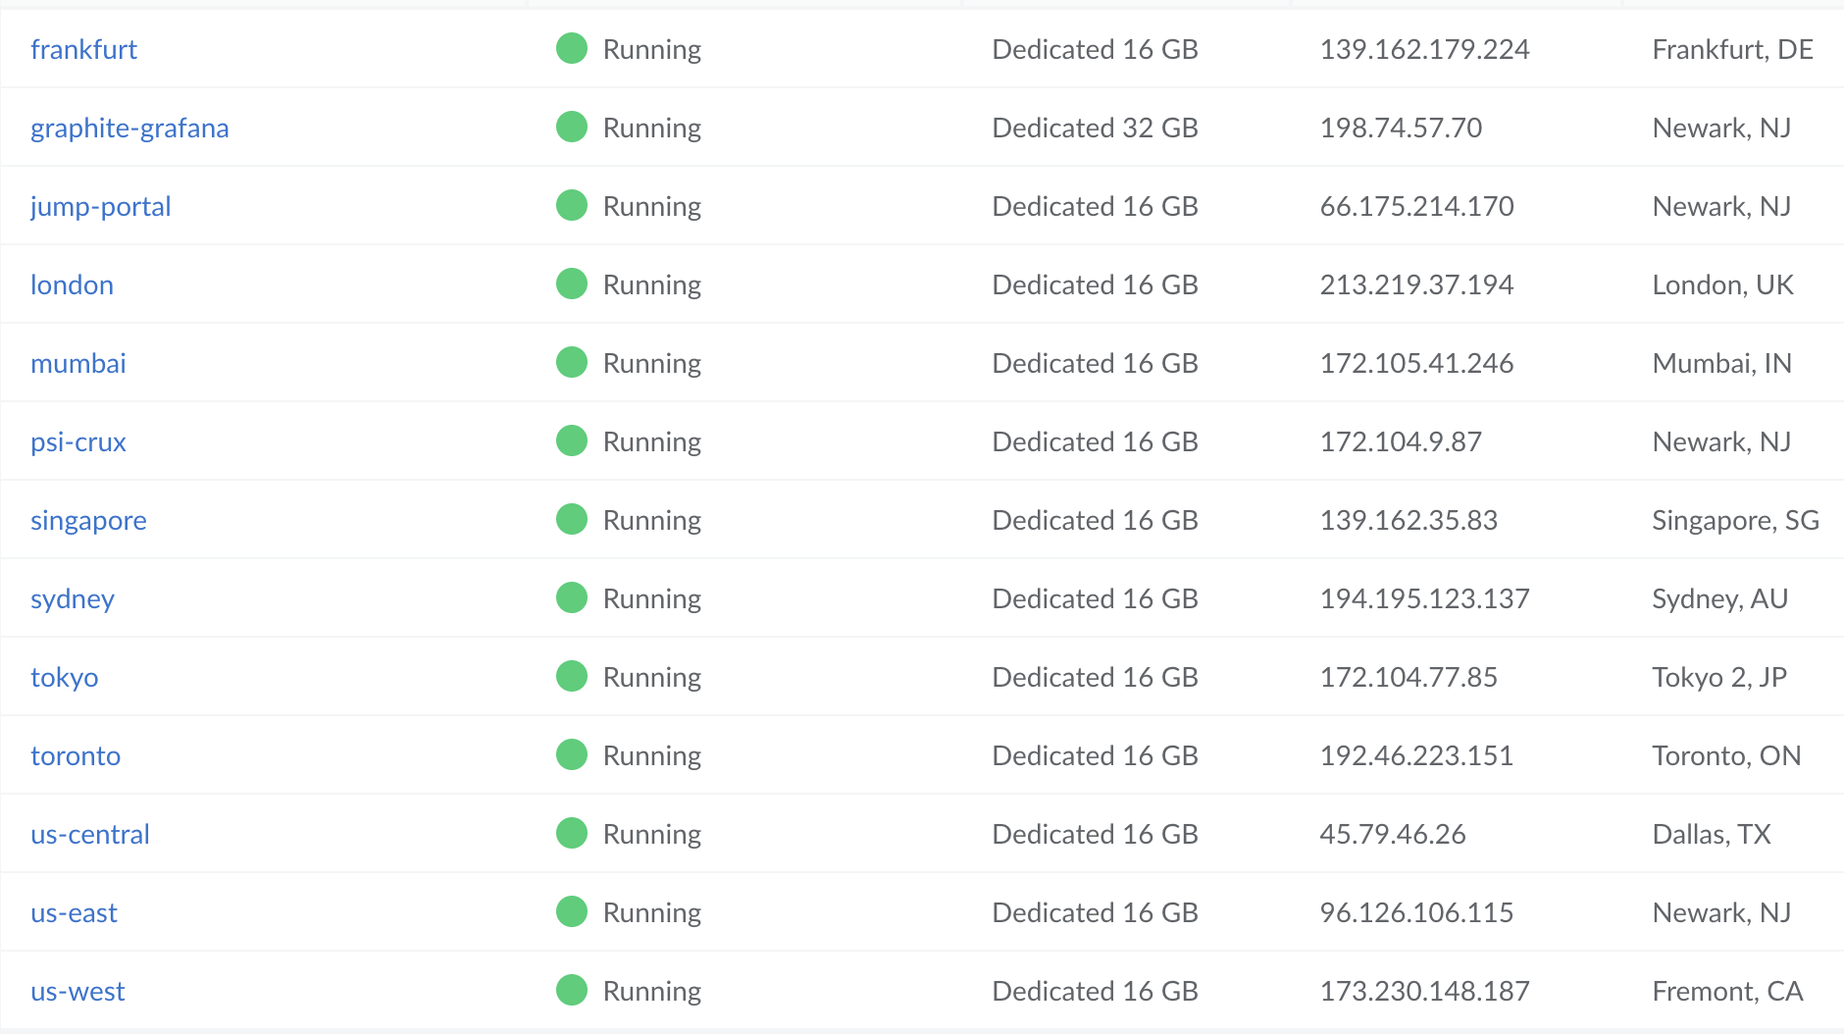
Host | Akamai Edge Hostname | Origin Name | Origin IP
sitespeed.akamai.com | sitespeed.akamai.com.edgesuite.net | portal.sitespeed.akadns.net | 66.175.214.170
grafana.sitespeed.akamai.com | sitespeed.akamai.com.edgesuite.net | grafana.sitespeed.akadns.net | 198.74.57.70

us-east.sitespeed.akamai.com | sitespeed.akamai.com.edgesuite.net | us-east.sitespeed.akadns.net | 96.126.106.115
us-central.sitespeed.akamai.com | sitespeed.akamai.com.edgesuite.net | us-central.sitespeed.akadns.net | 45.79.46.26
us-west.sitespeed.akamai.com | sitespeed.akamai.com.edgesuite.net | us-west.sitespeed.akadns.net | 173.230.148.187
toronto.sitespeed.akamai.com | sitespeed.akamai.com.edgesuite.net | toronto.sitespeed.akadns.net | 192.46.223.151
london.sitespeed.akamai.com | sitespeed.akamai.com.edgesuite.net | london.sitespeed.akadns.net | 213.219.37.194
frankfurt.sitespeed.akamai.com | sitespeed.akamai.com.edgesuite.net | frankfurt.sitespeed.akadns.net | 139.162.179.224
mumbai.sitespeed.akamai.com | sitespeed.akamai.com.edgesuite.net | mumbai.sitespeed.akadns.net | 172.105.41.246
tokyo.sitespeed.akamai.com | sitespeed.akamai.com.edgesuite.net | tokyo.sitespeed.akadns.net | 172.104.77.85
singapore.sitespeed.akamai.com | sitespeed.akamai.com.edgesuite.net | singapore.sitespeed.akadns.net | 139.162.35.83
sydney.sitespeed.akamai.com | sitespeed.akamai.com.edgesuite.net | sydney.sitespeed.akadns.net | 194.195.123.137

psi-crux.sitespeed.akamai.com | sitespeed.akamai.com.edgesuite.net | psi-crux.sitespeed.akadns.net | 172.104.9.87

FW Rules
